Data
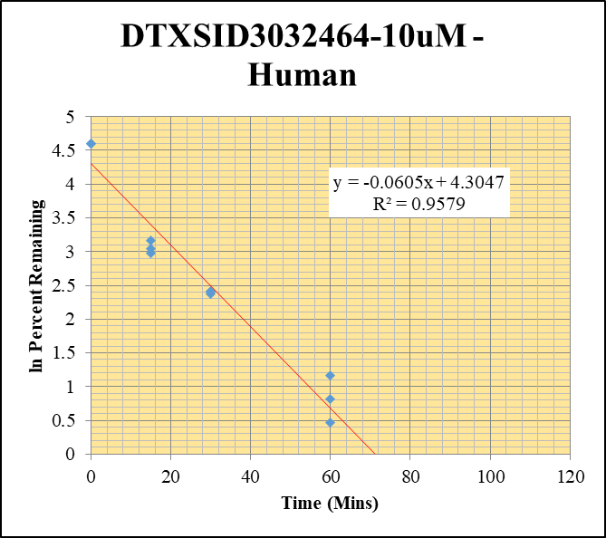
SampleName | CompoundName | Transition | Area | ISTD Area | ISTDResponseRatio | % Remaining | Time (mins) | ln % Remaining | Chart | Table
Blank_Human___1_____5P1_Inj 2021Feb19_EPA_5 | DTXSID3032464-10uM |  |  | 138545.094 | 0 |  |  |  | DTXSID3032464-10uM - Human | Time (Mins) | % Remaining Replica 1 | % Remaining Replica 2 | % Remaining Replica 3 | Average
Blank_Human___2_____5P1_Inj 2021Feb19_EPA_6 | DTXSID3032464-10uM |  |  | 97930.813 | 0 |  |  |  | Time (Mins) | 120 | 0.793% | 0.599% | 1.23% | 0.875%
DTXSID3032464-10uM_Human__120_1_____5P1_Inj 2021Feb19_EPA_69 | DTXSID3032464-10uM | 372.854 > 302.646 | 98.928 | 40860.992 | 0.00242 | 0.79344262295 | 120 | -0.23137405045 | ln Percent Remaining | 60 | 1.59% | 2.25% | 3.18% | 2.34%
DTXSID3032464-10uM_Human__120_2_____5P1_Inj 2021Feb19_EPA_70 | DTXSID3032464-10uM | 372.854 > 302.646 | 78.616 | 37245.258 | 0.00211 | 0.59943181818 | 120 | -0.51177304212 |  | 30 | 11.0% | 11.1% | 10.7% | 10.9%
DTXSID3032464-10uM_Human__120_3_____5P1_Inj 2021Feb19_EPA_71 | DTXSID3032464-10uM | 372.854 > 302.646 | 175.75 | 37568.035 | 0.00468 | 1.2315789474 | 120 | 0.2082970432 |  | 15 | 19.7% | 23.7% | 20.9% | 21.5%
DTXSID3032464-10uM_Human__60_1_____5P2_Inj 2021Feb19_EPA_72 | DTXSID3032464-10uM | 372.854 > 302.646 | 156.234 | 32198.799 | 0.00485 | 1.5901639344 | 60 | 0.46383711433 |  | 0 | 100% | 100% | 100% | 100%
DTXSID3032464-10uM_Human__60_2_____5P2_Inj 2021Feb19_EPA_73 | DTXSID3032464-10uM | 372.854 > 302.646 | 306.355 | 38754.066 | 0.00791 | 2.2471590909 | 60 | 0.80966679217
DTXSID3032464-10uM_Human__60_3_____5P2_Inj 2021Feb19_EPA_74 | DTXSID3032464-10uM | 372.854 > 302.646 | 388.499 | 32024.496 | 0.0121 | 3.1842105263 | 60 | 1.1582043859 |  | Slope | -0.0605
DTXSID3032464-10uM_Human__30_1_____5P3_Inj 2021Feb19_EPA_75 | DTXSID3032464-10uM | 372.854 > 302.646 | 1119.027 | 33192.609 | 0.0337 | 11.049180328 | 30 | 2.4023562467 |  | Intercept | 4.30
DTXSID3032464-10uM_Human__30_2_____5P3_Inj 2021Feb19_EPA_76 | DTXSID3032464-10uM | 372.854 > 302.646 | 1115.75 | 28539.736 | 0.0391 | 11.107954545 | 30 | 2.4076614774 |  | R2 | 0.958
DTXSID3032464-10uM_Human__30_3_____5P3_Inj 2021Feb19_EPA_77 | DTXSID3032464-10uM | 372.854 > 302.646 | 1278.91 | 31591.029 | 0.0405 | 10.657894737 | 30 | 2.3663009074 |  | T½ (mins) | 11.5
DTXSID3032464-10uM_Human__15_1_____5P4_Inj 2021Feb19_EPA_78 | DTXSID3032464-10uM | 372.854 > 302.646 | 1957.984 | 32546.752 | 0.0602 | 19.737704918 | 15 | 2.9825307617 |  | CLint (µl/min/106 cells) | 120.9
DTXSID3032464-10uM_Human__15_2_____5P4_Inj 2021Feb19_EPA_79 | DTXSID3032464-10uM | 372.854 > 302.646 | 2422.818 | 29037.627 | 0.0834 | 23.693181818 | 15 | 3.1651873198 |  | Comments
DTXSID3032464-10uM_Human__15_3_____5P4_Inj 2021Feb19_EPA_80 | DTXSID3032464-10uM | 372.854 > 302.646 | 2571.29 | 32299.746 | 0.0796 | 20.947368421 | 15 | 3.0420130261
DTXSID3032464-10uM_Human__0_1_____5P5_Inj 2021Feb19_EPA_81 | DTXSID3032464-10uM | 372.854 > 302.646 | 11552.892 | 37824.371 | 0.305 | 100 | 0 | 4.605170186
DTXSID3032464-10uM_Human__0_2_____5P5_Inj 2021Feb19_EPA_82 | DTXSID3032464-10uM | 372.854 > 302.646 | 11817.461 | 33570.973 | 0.352 | 100 | 0 | 4.605170186
DTXSID3032464-10uM_Human__0_3_____5P5_Inj 2021Feb19_EPA_83 | DTXSID3032464-10uM | 372.854 > 302.646 | 14687.949 | 38700.359 | 0.38 | 100 | 0 | 4.605170186
DTXSID3032464_10uM_Human__HI_1_____5P6_Inj 2021Feb19_EPA_84 | DTXSID3032464-10uM | 372.854 > 302.646 | 2170.971 | 33488.273 | 0.064827798077 | 18.311445056
DTXSID3032464_10uM_Human__HI_2_____5P6_Inj 2021Feb19_EPA_85 | DTXSID3032464-10uM | 372.854 > 302.646 | 2512.377 | 40676.172 | 0.06176532541

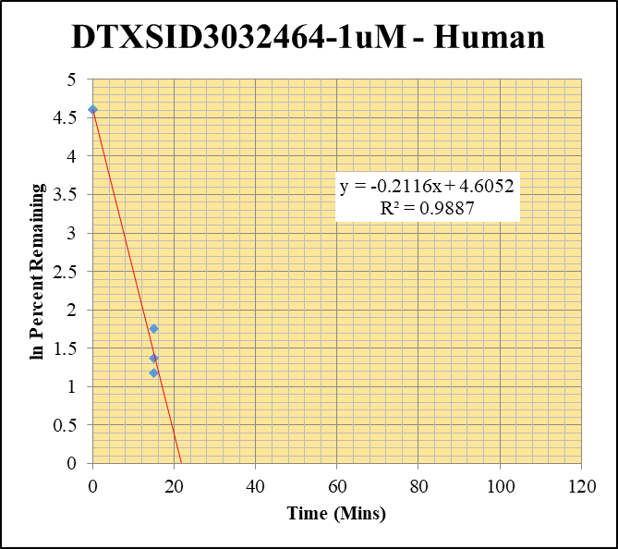
Blank_Human___1_____5P1_Inj 2021Feb19_EPA_5 | DTXSID3032464-1uM |  |  | 138545.094 | 0 |  |  |  | DTXSID3032464-1uM - Human | Time (Mins) | % Remaining Replica 1 | % Remaining Replica 2 | % Remaining Replica 3 | Average
Blank_Human___2_____5P1_Inj 2021Feb19_EPA_6 | DTXSID3032464-1uM |  |  | 97930.813 | 0 |  |  |  | Time (Mins) | 120 | 0.109% | 0.335% | 0.114% | 0.186%
DTXSID3032464-1uM_Human__120_1_____5P1_Inj 2021Feb19_EPA_49 | DTXSID3032464-1uM | 372.854 > 302.646 | 6.824 | 62169.648 | 0.00011 | 0.10891089109 | 120 | -2.217225244 | ln Percent Remaining | 60 | 0.171% | 0.198% | 0.309% | 0.226%
DTXSID3032464-1uM_Human__120_2_____5P1_Inj 2021Feb19_EPA_50 | DTXSID3032464-1uM | 372.854 > 302.646 | 19.092 | 64651.242 | 0.000295 | 0.33522727273 | 120 | -1.0929465511 |  | 30 | 1.61% | 0.302% | 0.306% | 0.741%
DTXSID3032464-1uM_Human__120_3_____5P1_Inj 2021Feb19_EPA_51 | DTXSID3032464-1uM | 372.854 > 302.646 | 4.788 | 57470.563 | 0.0000833 | 0.11379781421 | 120 | -2.1733319648 |  | 15 | 5.77% | 3.24% | 3.92% | 4.31%
DTXSID3032464-1uM_Human__60_1_____5P2_Inj 2021Feb19_EPA_52 | DTXSID3032464-1uM | 372.854 > 302.646 | 11.448 | 66328.727 | 0.000173 | 0.17128712871 | 60 | -1.7644140153 |  | 0 | 100% | 100% | 100% | 100%
DTXSID3032464-1uM_Human__60_2_____5P2_Inj 2021Feb19_EPA_53 | DTXSID3032464-1uM | 372.854 > 302.646 | 10.06 | 57872.48 | 0.000174 | 0.19772727273 | 60 | -1.6208666083
DTXSID3032464-1uM_Human__60_3_____5P2_Inj 2021Feb19_EPA_54 | DTXSID3032464-1uM | 372.854 > 302.646 | 11.894 | 52695.066 | 0.000226 | 0.3087431694 | 60 | -1.1752455147 |  | Slope | -0.2116
DTXSID3032464-1uM_Human__30_1_____5P3_Inj 2021Feb19_EPA_55 | DTXSID3032464-1uM | 372.854 > 302.646 | 89.989 | 55363.68 | 0.00163 | 1.6138613861 | 30 | 0.47862968397 |  | Intercept | 4.61
DTXSID3032464-1uM_Human__30_2_____5P3_Inj 2021Feb19_EPA_56 | DTXSID3032464-1uM | 372.854 > 302.646 | 8.256 | 30999.273 | 0.000266 | 0.30227272727 | 30 | -1.1964255987 |  | R2 | 0.989
DTXSID3032464-1uM_Human__30_3_____5P3_Inj 2021Feb19_EPA_57 | DTXSID3032464-1uM | 372.854 > 302.646 | 6.639 | 29617.322 | 0.000224 | 0.30601092896 | 30 | -1.1841344621 |  | T½ (mins) | 3.3
DTXSID3032464-1uM_Human__15_1_____5P4_Inj 2021Feb19_EPA_58 | DTXSID3032464-1uM | 372.854 > 302.646 | 152.345 | 26160.039 | 0.005823576945 | 5.7659177673 | 15 | 1.7519643375 |  | CLint (µl/min/106 cells) | 423.2
DTXSID3032464-1uM_Human__15_2_____5P4_Inj 2021Feb19_EPA_59 | DTXSID3032464-1uM | 372.854 > 302.646 | 94.804 | 33276.066 | 0.00285 | 3.2386363636 | 15 | 1.1751523658 |  | Comments
DTXSID3032464-1uM_Human__15_3_____5P4_Inj 2021Feb19_EPA_60 | DTXSID3032464-1uM | 372.854 > 302.646 | 80.533 | 28091.566 | 0.00287 | 3.9207650273 | 15 | 1.3662867948
DTXSID3032464-1uM_Human__0_1_____5P5_Inj 2021Feb19_EPA_61 | DTXSID3032464-1uM | 372.854 > 302.646 | 3864.561 | 38406.086 | 0.101 | 100 | 0 | 4.605170186
DTXSID3032464-1uM_Human__0_2_____5P5_Inj 2021Feb19_EPA_62 | DTXSID3032464-1uM | 372.854 > 302.646 | 3518.755 | 39990.301 | 0.088 | 100 | 0 | 4.605170186
DTXSID3032464-1uM_Human__0_3_____5P5_Inj 2021Feb19_EPA_63 | DTXSID3032464-1uM | 372.854 > 302.646 | 2650.51 | 36217.008 | 0.0732 | 100 | 0 | 4.605170186
DTXSID3032464_1uM_Human__HI_1_____5P6_Inj 2021Feb19_EPA_64 | DTXSID3032464-1uM | 372.854 > 302.646 | 1260.374 | 43811.785 | 0.02876792169 | 32.398016185
DTXSID3032464_1uM_Human__HI_2_____5P6_Inj 2021Feb19_EPA_65 | DTXSID3032464-1uM | 372.854 > 302.646 | 1153.235 | 41388.273 | 0.027863810602

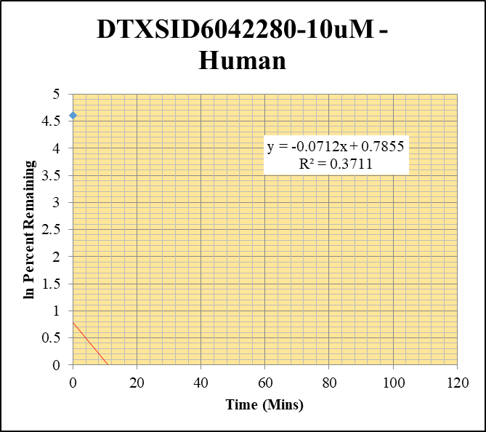
Blank_Human___1_____5P1_Inj 2021Feb19_EPA_5 | DTXSID6042280-10uM |  |  | 138545.094 | 0 |  |  |  | DTXSID6042280-10uM - Human | Time (Mins) | % Remaining Replica 1 | % Remaining Replica 2 | % Remaining Replica 3 | Average
Blank_Human___2_____5P1_Inj 2021Feb19_EPA_6 | DTXSID6042280-10uM |  |  | 97930.813 | 0 |  |  |  | Time (Mins) | 120 | 0.00% | 0.00% | 0.00761% | 0.00761%
DTXSID6042280-10uM_Human__120_1_____5P1_Inj 2021Feb19_EPA_109 | DTXSID6042280-10uM | 321.126 > 246.778 |  | 31410.549 |  | 0 | 120 |  | ln Percent Remaining | 60 | 0.00129% | 0.0620% | 0.0629% | 0.0420%
DTXSID6042280-10uM_Human__120_2_____5P1_Inj 2021Feb19_EPA_110 | DTXSID6042280-10uM | 321.126 > 246.778 |  | 28441.953 |  | 0 | 120 |  |  | 30 | 0.00% | 0.00% | 0.00780% | 0.00780%
DTXSID6042280-10uM_Human__120_3_____5P1_Inj 2021Feb19_EPA_111 | DTXSID6042280-10uM | 321.126 > 246.778 | 0.305 | 25237.273 | 0.0000121 | 0.0076100628931 | 120 | -4.8782838426 |  | 15 | 0.00877% | 0.00723% | 0.00% | 0.00800%
DTXSID6042280-10uM_Human__60_1_____5P2_Inj 2021Feb19_EPA_112 | DTXSID6042280-10uM | 321.126 > 246.778 | 0.078 | 24825.873 | 0.00000314 | 0.00129218107 | 60 | -6.6514237364 |  | 0 | 100% | 100% | 100% | 100%
DTXSID6042280-10uM_Human__60_2_____5P2_Inj 2021Feb19_EPA_113 | DTXSID6042280-10uM | 321.126 > 246.778 | 2.514 | 27406.166 | 0.0000917 | 0.061959459459 | 60 | -2.7812749875
DTXSID6042280-10uM_Human__60_3_____5P2_Inj 2021Feb19_EPA_114 | DTXSID6042280-10uM | 321.126 > 246.778 | 2.401 | 24003.41 | 0.0001 | 0.062893081761 | 60 | -2.7663191092 |  | Slope | -0.0712
DTXSID6042280-10uM_Human__30_1_____5P3_Inj 2021Feb19_EPA_115 | DTXSID6042280-10uM | 321.126 > 246.778 |  | 24476.611 |  | 0 | 30 |  |  | Intercept | 0.785
DTXSID6042280-10uM_Human__30_2_____5P3_Inj 2021Feb19_EPA_116 | DTXSID6042280-10uM | 321.126 > 246.778 |  | 29335.246 |  | 0 | 30 |  |  | R2 | 0.371
DTXSID6042280-10uM_Human__30_3_____5P3_Inj 2021Feb19_EPA_117 | DTXSID6042280-10uM | 321.126 > 246.778 | 0.354 | 28471.832 | 0.0000124 | 0.0077987421384 | 30 | -4.8537928226 |  | T½ (mins) | 9.73
DTXSID6042280-10uM_Human__15_1_____5P4_Inj 2021Feb19_EPA_118 | DTXSID6042280-10uM | 321.126 > 246.778 | 0.652 | 30620.629 | 0.0000213 | 0.0087654320988 | 15 | -4.7369394636 |  | CLint (µl/min/106 cells) | 142
DTXSID6042280-10uM_Human__15_2_____5P4_Inj 2021Feb19_EPA_119 | DTXSID6042280-10uM | 321.126 > 246.778 | 0.336 | 31367.357 | 0.0000107 | 0.0072297297297 | 15 | -4.9295536253 |  | Comments
DTXSID6042280-10uM_Human__15_3_____5P4_Inj 2021Feb19_EPA_120 | DTXSID6042280-10uM | 321.126 > 246.778 |  | 27491.1 |  | 0 | 15
DTXSID6042280-10uM_Human__0_1_____5P5_Inj 2021Feb19_EPA_121 | DTXSID6042280-10uM | 321.126 > 246.778 | 8697.379 | 35796.094 | 0.243 | 100 | 0 | 4.605170186
DTXSID6042280-10uM_Human__0_2_____5P5_Inj 2021Feb19_EPA_122 | DTXSID6042280-10uM | 321.126 > 246.778 | 7136.061 | 48195.789 | 0.148 | 100 | 0 | 4.605170186
DTXSID6042280-10uM_Human__0_3_____5P5_Inj 2021Feb19_EPA_123 | DTXSID6042280-10uM | 321.126 > 246.778 | 6961.928 | 43875.164 | 0.159 | 100 | 0 | 4.605170186
DTXSID6042280_10uM_Human__HI_1_____5P6_Inj 2021Feb19_EPA_124 | DTXSID6042280-10uM | 321.126 > 246.778 | 2927.162 | 46628.988 | 0.062775585007 | 32.820237016
DTXSID6042280_10uM_Human__HI_2_____5P6_Inj 2021Feb19_EPA_125 | DTXSID6042280-10uM | 321.126 > 246.778 | 2926.995 | 50846.531 | 0.057565284051

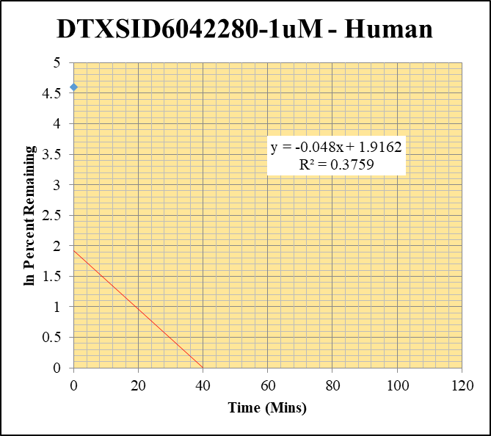
Blank_Human___1_____5P1_Inj 2021Feb19_EPA_5 | DTXSID6042280-1uM |  |  | 138545.094 | 0 |  |  |  | DTXSID6042280-1uM - Human | Time (Mins) | % Remaining Replica 1 | % Remaining Replica 2 | % Remaining Replica 3 | Average
Blank_Human___2_____5P1_Inj 2021Feb19_EPA_6 | DTXSID6042280-1uM |  |  | 97930.813 | 0 |  |  |  | Time (Mins) | 120 | 0.0263% | 0.199% | 0.00% | 0.113%
DTXSID6042280-1uM_Human__120_1_____5P1_Inj 2021Feb19_EPA_89 | DTXSID6042280-1uM | 321.126 > 246.778 | 0.261 | 28825.418 | 0.00000905 | 0.026308139535 | 120 | -3.6378768997 | ln Percent Remaining | 60 | 0.413% | 0.131% | 0.328% | 0.291%
DTXSID6042280-1uM_Human__120_2_____5P1_Inj 2021Feb19_EPA_90 | DTXSID6042280-1uM | 321.126 > 246.778 | 1.732 | 36834.254 | 0.000047 | 0.19915254237 | 120 | -1.6136842033 |  | 30 | 0.00651% | 0.00% | 0.00% | 0.00651%
DTXSID6042280-1uM_Human__120_3_____5P1_Inj 2021Feb19_EPA_91 | DTXSID6042280-1uM | 321.126 > 246.778 |  | 29117.533 |  | 0 | 120 |  |  | 15 | 0.0709% | 0.00% | 0.00% | 0.0709%
DTXSID6042280-1uM_Human__60_1_____5P2_Inj 2021Feb19_EPA_92 | DTXSID6042280-1uM | 321.126 > 246.778 | 4.839 | 34036.332 | 0.000142 | 0.41279069767 | 60 | -0.88481459977 |  | 0 | 100% | 100% | 100% | 100%
DTXSID6042280-1uM_Human__60_2_____5P2_Inj 2021Feb19_EPA_93 | DTXSID6042280-1uM | 321.126 > 246.778 | 1.024 | 33077.566 | 0.000031 | 0.1313559322 | 60 | -2.0298446005
DTXSID6042280-1uM_Human__60_3_____5P2_Inj 2021Feb19_EPA_94 | DTXSID6042280-1uM | 321.126 > 246.778 | 3.759 | 35526.031 | 0.000106 | 0.32817337461 | 60 | -1.1142132291 |  | Slope | -0.0480
DTXSID6042280-1uM_Human__30_1_____5P3_Inj 2021Feb19_EPA_95 | DTXSID6042280-1uM | 321.126 > 246.778 | 0.068 | 30301.004 | 0.00000224 | 0.006511627907 | 30 | -5.0341657915 |  | Intercept | 1.92
DTXSID6042280-1uM_Human__30_2_____5P3_Inj 2021Feb19_EPA_96 | DTXSID6042280-1uM | 321.126 > 246.778 |  | 24948.871 |  | 0 | 30 |  |  | R2 | 0.376
DTXSID6042280-1uM_Human__30_3_____5P3_Inj 2021Feb19_EPA_97 | DTXSID6042280-1uM | 321.126 > 246.778 |  | 26626.369 |  | 0 | 30 |  |  | T½ (mins) | 14.4
DTXSID6042280-1uM_Human__15_1_____5P4_Inj 2021Feb19_EPA_98 | DTXSID6042280-1uM | 321.126 > 246.778 | 0.642 | 26352.826 | 0.0000244 | 0.070930232558 | 15 | -2.6460585251 |  | CLint (µl/min/106 cells) | 95.9
DTXSID6042280-1uM_Human__15_2_____5P4_Inj 2021Feb19_EPA_99 | DTXSID6042280-1uM | 321.126 > 246.778 |  | 33428.105 |  | 0 | 15 |  |  | Comments
DTXSID6042280-1uM_Human__15_3_____5P4_Inj 2021Feb19_EPA_100 | DTXSID6042280-1uM | 321.126 > 246.778 |  | 33881.477 |  | 0 | 15
DTXSID6042280-1uM_Human__0_1_____5P5_Inj 2021Feb19_EPA_101 | DTXSID6042280-1uM | 321.126 > 246.778 | 1077.475 | 31313.92 | 0.0344 | 100 | 0 | 4.605170186
DTXSID6042280-1uM_Human__0_2_____5P5_Inj 2021Feb19_EPA_102 | DTXSID6042280-1uM | 321.126 > 246.778 | 819.349 | 34716.527 | 0.0236 | 100 | 0 | 4.605170186
DTXSID6042280-1uM_Human__0_3_____5P5_Inj 2021Feb19_EPA_103 | DTXSID6042280-1uM | 321.126 > 246.778 | 1122.563 | 34801.738 | 0.0323 | 100 | 0 | 4.605170186
DTXSID6042280_1uM_Human__HI_1_____5P6_Inj 2021Feb19_EPA_104 | DTXSID6042280-1uM | 321.126 > 246.778 | 1132.342 | 36124.422 | 0.031345608796 | 104.49509572
DTXSID6042280_1uM_Human__HI_2_____5P6_Inj 2021Feb19_EPA_105 | DTXSID6042280-1uM | 321.126 > 246.778 | 1165.968 | 36943.973 | 0.03156043883

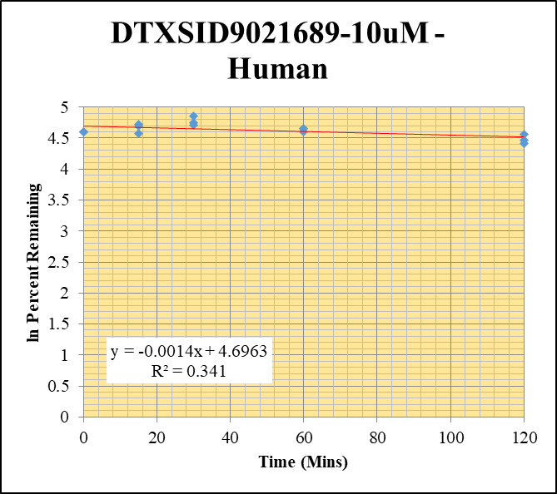
Blank_Human___1_____5P1_Inj 2021Feb19_EPA_5 | DTXSID9021689-10uM |  |  | 138545.094 | 0 |  |  |  | DTXSID9021689-10uM - Human | Time (Mins) | % Remaining Replica 1 | % Remaining Replica 2 | % Remaining Replica 3 | Average
Blank_Human___2_____5P1_Inj 2021Feb19_EPA_6 | DTXSID9021689-10uM |  |  | 97930.813 | 0 |  |  |  | Time (Mins) | 120 | 82.6% | 96.0% | 86.7% | 88.4%
DTXSID9021689-10uM_Human__120_1_____5P1_Inj 2021Feb19_EPA_149 | DTXSID9021689-10uM | 156.921 > 78.842 | 12477779 | 77452.789 | 161 | 82.564102564 | 120 | 4.4135749924 | ln Percent Remaining | 60 | 100% | 106% | 106% | 104%
DTXSID9021689-10uM_Human__120_2_____5P1_Inj 2021Feb19_EPA_150 | DTXSID9021689-10uM | 156.921 > 78.842 | 7379662 | 43328.828 | 170 | 96.04519774 | 120 | 4.5648188905 |  | 30 | 115% | 128% | 111% | 118%
DTXSID9021689-10uM_Human__120_3_____5P1_Inj 2021Feb19_EPA_151 | DTXSID9021689-10uM | 156.921 > 78.842 | 12521564 | 80215.922 | 156 | 86.666666667 | 120 | 4.4620693423 |  | 15 | 112% | 110% | 97.2% | 106%
DTXSID9021689-10uM_Human__60_1_____5P2_Inj 2021Feb19_EPA_152 | DTXSID9021689-10uM | 156.921 > 78.842 | 13537925 | 69546.852 | 195 | 100 | 60 | 4.605170186 |  | 0 | 100% | 100% | 100% | 100%
DTXSID9021689-10uM_Human__60_2_____5P2_Inj 2021Feb19_EPA_153 | DTXSID9021689-10uM | 156.921 > 78.842 | 12788770 | 68548.477 | 187 | 105.64971751 | 60 | 4.6601290703
DTXSID9021689-10uM_Human__60_3_____5P2_Inj 2021Feb19_EPA_154 | DTXSID9021689-10uM | 156.921 > 78.842 | 10581796 | 55834.754 | 190 | 105.55555556 | 60 | 4.6592374073 |  | Slope | -0.00144
DTXSID9021689-10uM_Human__30_1_____5P3_Inj 2021Feb19_EPA_155 | DTXSID9021689-10uM | 156.921 > 78.842 | 12730596 | 56806.277 | 224 | 114.87179487 | 30 | 4.7438166793 |  | Intercept | 4.70
DTXSID9021689-10uM_Human__30_2_____5P3_Inj 2021Feb19_EPA_156 | DTXSID9021689-10uM | 156.921 > 78.842 | 10995959 | 48598.355 | 226 | 127.68361582 | 30 | 4.8495554527 |  | R2 | 0.341
DTXSID9021689-10uM_Human__30_3_____5P3_Inj 2021Feb19_EPA_157 | DTXSID9021689-10uM | 156.921 > 78.842 | 10796753 | 54240.715 | 199 | 110.55555556 | 30 | 4.7055181598 |  | T½ (mins) | 480
DTXSID9021689-10uM_Human__15_1_____5P4_Inj 2021Feb19_EPA_158 | DTXSID9021689-10uM | 156.921 > 78.842 | 12770435 | 58628.809 | 218 | 111.79487179 | 15 | 4.7166656902 |  | CLint (µl/min/106 cells) | 2.89
DTXSID9021689-10uM_Human__15_2_____5P4_Inj 2021Feb19_EPA_159 | DTXSID9021689-10uM | 156.921 > 78.842 | 12343532 | 63531.469 | 194 | 109.60451977 | 15 | 4.6968786125 |  | Comments
DTXSID9021689-10uM_Human__15_3_____5P4_Inj 2021Feb19_EPA_160 | DTXSID9021689-10uM | 156.921 > 78.842 | 12244658 | 69984.781 | 175 | 97.222222222 | 15 | 4.576999309
DTXSID9021689-10uM_Human__0_1_____5P5_Inj 2021Feb19_EPA_161 | DTXSID9021689-10uM | 156.921 > 78.842 | 12226900 | 62783.953 | 195 | 100 | 0 | 4.605170186
DTXSID9021689-10uM_Human__0_2_____5P5_Inj 2021Feb19_EPA_162 | DTXSID9021689-10uM | 156.921 > 78.842 | 11325830 | 64009.188 | 177 | 100 | 0 | 4.605170186
DTXSID9021689-10uM_Human__0_3_____5P5_Inj 2021Feb19_EPA_163 | DTXSID9021689-10uM | 156.921 > 78.842 | 10736576 | 59519.133 | 180 | 100 | 0 | 4.605170186
DTXSID9021689_10uM_Human__HI_1_____5P6_Inj 2021Feb19_EPA_164 | DTXSID9021689-10uM | 156.921 > 78.842 | 11298254 | 63748.688 | 177.23116121 | 89.248732064
DTXSID9021689_10uM_Human__HI_2_____5P6_Inj 2021Feb19_EPA_165 | DTXSID9021689-10uM | 156.921 > 78.842 | 9631479 | 63698.5 | 151.20417278

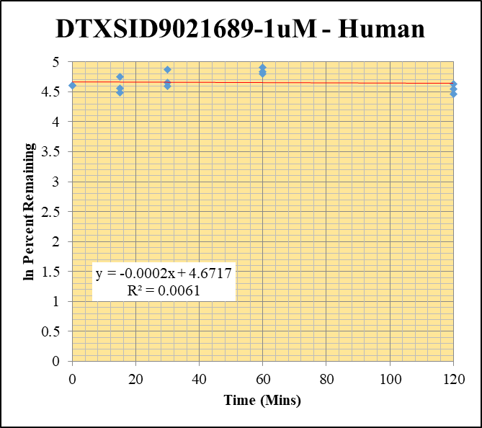
Blank_Human___1_____5P1_Inj 2021Feb19_EPA_5 | DTXSID9021689-1uM |  |  | 138545.094 | 0 |  |  |  | DTXSID9021689-1uM - Human | Time (Mins) | % Remaining Replica 1 | % Remaining Replica 2 | % Remaining Replica 3 | Average
Blank_Human___2_____5P1_Inj 2021Feb19_EPA_6 | DTXSID9021689-1uM |  |  | 97930.813 | 0 |  |  |  | Time (Mins) | 120 | 94.0% | 103% | 86.5% | 94.5%
DTXSID9021689-1uM_Human__120_1_____5P1_Inj 2021Feb19_EPA_129 | DTXSID9021689-1uM | 156.921 > 78.842 | 8790915 | 46842.109 | 188 | 94 | 120 | 4.5432947823 | ln Percent Remaining | 60 | 126% | 135% | 121% | 127%
DTXSID9021689-1uM_Human__120_2_____5P1_Inj 2021Feb19_EPA_130 | DTXSID9021689-1uM | 156.921 > 78.842 | 7985184 | 47943.066 | 167 | 103.08641975 | 120 | 4.6355676632 |  | 30 | 106% | 130% | 99.1% | 112%
DTXSID9021689-1uM_Human__120_3_____5P1_Inj 2021Feb19_EPA_131 | DTXSID9021689-1uM | 156.921 > 78.842 | 8359194 | 42215.043 | 198 | 86.462882096 | 120 | 4.4597152131 |  | 15 | 96.0% | 115% | 88.6% | 100%
DTXSID9021689-1uM_Human__60_1_____5P2_Inj 2021Feb19_EPA_132 | DTXSID9021689-1uM | 156.921 > 78.842 | 9112972 | 36336.383 | 251 | 125.5 | 60 | 4.8323057586 |  | 0 | 100% | 100% | 100% | 100%
DTXSID9021689-1uM_Human__60_2_____5P2_Inj 2021Feb19_EPA_133 | DTXSID9021689-1uM | 156.921 > 78.842 | 9150113 | 41914.621 | 218 | 134.56790123 | 60 | 4.9020689135
DTXSID9021689-1uM_Human__60_3_____5P2_Inj 2021Feb19_EPA_134 | DTXSID9021689-1uM | 156.921 > 78.842 | 9877655 | 35535.672 | 278 | 121.39737991 | 60 | 4.7990692961 |  | Slope | -0.000245
DTXSID9021689-1uM_Human__30_1_____5P3_Inj 2021Feb19_EPA_135 | DTXSID9021689-1uM | 156.921 > 78.842 | 7899205 | 37380.199 | 211 | 105.5 | 30 | 4.6587109529 |  | Intercept | 4.67
DTXSID9021689-1uM_Human__30_2_____5P3_Inj 2021Feb19_EPA_136 | DTXSID9021689-1uM | 156.921 > 78.842 | 8123135.5 | 38415.316 | 211 | 130.24691358 | 30 | 4.8694319842 |  | R2 | 0.00605
DTXSID9021689-1uM_Human__30_3_____5P3_Inj 2021Feb19_EPA_137 | DTXSID9021689-1uM | 156.921 > 78.842 | 5903571 | 25954.762 | 227 | 99.126637555 | 30 | 4.5963981999 |  | T½ (mins) | 2835
DTXSID9021689-1uM_Human__15_1_____5P4_Inj 2021Feb19_EPA_138 | DTXSID9021689-1uM | 156.921 > 78.842 | 7423327.5 | 38716.41 | 192 | 96 | 15 | 4.5643481915 |  | CLint (µl/min/106 cells) | 0.489
DTXSID9021689-1uM_Human__15_2_____5P4_Inj 2021Feb19_EPA_139 | DTXSID9021689-1uM | 156.921 > 78.842 | 8305696 | 44458.438 | 187 | 115.43209877 | 15 | 4.7486824676 |  | Comments
DTXSID9021689-1uM_Human__15_3_____5P4_Inj 2021Feb19_EPA_140 | DTXSID9021689-1uM | 156.921 > 78.842 | 9093484 | 44784.289 | 203 | 88.64628821 | 15 | 4.4846541615
DTXSID9021689-1uM_Human__0_1_____5P5_Inj 2021Feb19_EPA_141 | DTXSID9021689-1uM | 156.921 > 78.842 | 9148708 | 45632.434 | 200 | 100 | 0 | 4.605170186
DTXSID9021689-1uM_Human__0_2_____5P5_Inj 2021Feb19_EPA_142 | DTXSID9021689-1uM | 156.921 > 78.842 | 6694456 | 41266.504 | 162 | 100 | 0 | 4.605170186
DTXSID9021689-1uM_Human__0_3_____5P5_Inj 2021Feb19_EPA_143 | DTXSID9021689-1uM | 156.921 > 78.842 | 5630007 | 24570.553 | 229 | 100 | 0 | 4.605170186
DTXSID9021689_1uM_Human__HI_1_____5P6_Inj 2021Feb19_EPA_144 | DTXSID9021689-1uM | 156.921 > 78.842 | 12352152 | 73918.805 | 167.10432481 | 81.39034924
DTXSID9021689_1uM_Human__HI_2_____5P6_Inj 2021Feb19_EPA_145 | DTXSID9021689-1uM | 156.921 > 78.842 | 12205963 | 79479.539 | 153.5736512


Blank_Human___1_____5P1_Inj 2021Feb19_EPA_5 | DTXSID9025403-10uM |  |  | 138545.094 | 0 |  |  |  | DTXSID9025403-10uM - Human | Time (Mins) | % Remaining Replica 1 | % Remaining Replica 2 | % Remaining Replica 3 | Average
Blank_Human___2_____5P1_Inj 2021Feb19_EPA_6 | DTXSID9025403-10uM |  |  | 97930.813 | 0 |  |  |  | Time (Mins) | 120 | 99.2% | 100% | 89.6% | 96.3%
DTXSID9025403-10uM_Human__120_1_____5P1_Inj 2021Feb19_EPA_309 | DTXSID9025403-10uM | 207.173 > 69.868 | 1105.722 | 90833.539 | 0.0122 | 99.18699187 | 120 | 4.5970068753 | ln Percent Remaining | 60 | 117% | 109% | 104% | 110%
DTXSID9025403-10uM_Human__120_2_____5P1_Inj 2021Feb19_EPA_310 | DTXSID9025403-10uM | 207.173 > 69.868 | 1032.2 | 81777.063 | 0.0126 | 100 | 120 | 4.605170186 |  | 30 | 98.4% | 98.4% | 101% | 99.2%
DTXSID9025403-10uM_Human__120_3_____5P1_Inj 2021Feb19_EPA_311 | DTXSID9025403-10uM | 207.173 > 69.868 | 1085.522 | 89668.969 | 0.0121 | 89.62962963 | 120 | 4.4956859531 |  | 15 | 107% | 102% | 101% | 103%
DTXSID9025403-10uM_Human__60_1_____5P2_Inj 2021Feb19_EPA_312 | DTXSID9025403-10uM | 207.173 > 69.868 | 1074.104 | 74475.781 | 0.0144 | 117.07317073 | 60 | 4.7627991302 |  | 0 | 100% | 100% | 100% | 100%
DTXSID9025403-10uM_Human__60_2_____5P2_Inj 2021Feb19_EPA_313 | DTXSID9025403-10uM | 207.173 > 69.868 | 1048.898 | 76683.859 | 0.0137 | 108.73015873 | 60 | 4.6888692049
DTXSID9025403-10uM_Human__60_3_____5P2_Inj 2021Feb19_EPA_314 | DTXSID9025403-10uM | 207.173 > 69.868 | 1062.135 | 75184.594 | 0.0141 | 104.44444444 | 60 | 4.6486552979 |  | Slope | -0.000267
DTXSID9025403-10uM_Human__30_1_____5P3_Inj 2021Feb19_EPA_315 | DTXSID9025403-10uM | 207.173 > 69.868 | 988.695 | 81683.172 | 0.0121 | 98.37398374 | 30 | 4.5887763762 |  | Intercept | 4.63
DTXSID9025403-10uM_Human__30_2_____5P3_Inj 2021Feb19_EPA_316 | DTXSID9025403-10uM | 207.173 > 69.868 | 1026.362 | 82702.836 | 0.0124 | 98.412698413 | 30 | 4.5891698446 |  | R2 | 0.0409
DTXSID9025403-10uM_Human__30_3_____5P3_Inj 2021Feb19_EPA_317 | DTXSID9025403-10uM | 207.173 > 69.868 | 1040.228 | 76612.109 | 0.0136 | 100.74074074 | 30 | 4.6125502933 |  | T½ (mins) | 2594
DTXSID9025403-10uM_Human__15_1_____5P4_Inj 2021Feb19_EPA_318 | DTXSID9025403-10uM | 207.173 > 69.868 | 1033.062 | 79018.367 | 0.0131 | 106.50406504 | 15 | 4.6681831538 |  | CLint (µl/min/106 cells) | 0.534
DTXSID9025403-10uM_Human__15_2_____5P4_Inj 2021Feb19_EPA_319 | DTXSID9025403-10uM | 207.173 > 69.868 | 1023.576 | 79538.352 | 0.0129 | 102.38095238 | 15 | 4.6287006834 |  | Comments
DTXSID9025403-10uM_Human__15_3_____5P4_Inj 2021Feb19_EPA_320 | DTXSID9025403-10uM | 207.173 > 69.868 | 1049.498 | 76837.492 | 0.0137 | 101.48148148 | 15 | 4.6198763334
DTXSID9025403-10uM_Human__0_1_____5P5_Inj 2021Feb19_EPA_321 | DTXSID9025403-10uM | 207.173 > 69.868 | 1097.171 | 89435.695 | 0.0123 | 100 | 0 | 4.605170186
DTXSID9025403-10uM_Human__0_2_____5P5_Inj 2021Feb19_EPA_322 | DTXSID9025403-10uM | 207.173 > 69.868 | 1070.412 | 84822.039 | 0.0126 | 100 | 0 | 4.605170186
DTXSID9025403-10uM_Human__0_3_____5P5_Inj 2021Feb19_EPA_323 | DTXSID9025403-10uM | 207.173 > 69.868 | 1097.499 | 81088.898 | 0.0135 | 100 | 0 | 4.605170186
DTXSID9025403_10uM_Human__HI_1_____5P6_Inj 2021Feb19_EPA_324 | DTXSID9025403-10uM | 207.173 > 69.868 | 1125.878 | 96865.484 | 0.011623108186 | 87.808511098
DTXSID9025403_10uM_Human__HI_2_____5P6_Inj 2021Feb19_EPA_325 | DTXSID9025403-10uM | 207.173 > 69.868 | 1140.612 | 105068.68 | 0.010855870655

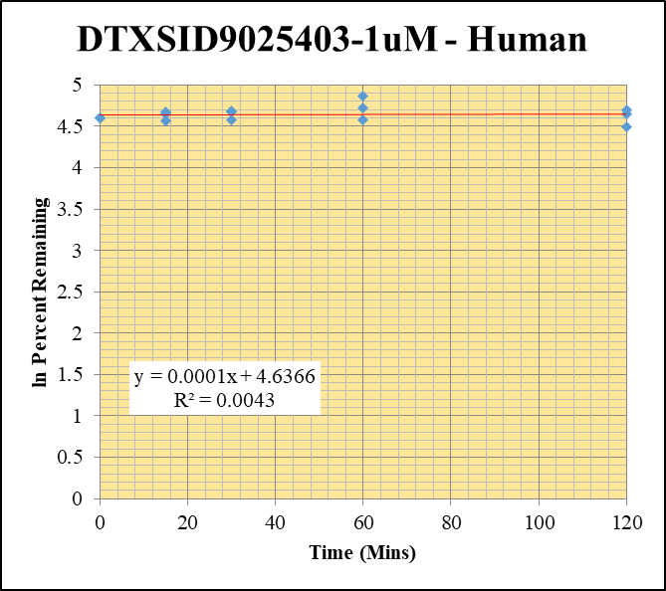
Blank_Human___1_____5P1_Inj 2021Feb19_EPA_5 | DTXSID9025403-1uM |  |  | 138545.094 | 0 |  |  |  | DTXSID9025403-1uM - Human | Time (Mins) | % Remaining Replica 1 | % Remaining Replica 2 | % Remaining Replica 3 | Average
Blank_Human___2_____5P1_Inj 2021Feb19_EPA_6 | DTXSID9025403-1uM |  |  | 97930.813 | 0 |  |  |  | Time (Mins) | 120 | 104% | 110% | 89.7% | 101%
DTXSID9025403-1uM_Human__120_1_____5P1_Inj 2021Feb19_EPA_289 | DTXSID9025403-1uM | 207.173 > 69.868 | 1109.588 | 84056.922 | 0.0132 | 103.93700787 | 120 | 4.6437850221 | ln Percent Remaining | 60 | 112% | 130% | 97.4% | 113%
DTXSID9025403-1uM_Human__120_2_____5P1_Inj 2021Feb19_EPA_290 | DTXSID9025403-1uM | 207.173 > 69.868 | 1288.967 | 83209.172 | 0.0155 | 109.92907801 | 120 | 4.6998354125 |  | 30 | 107% | 108% | 97.4% | 104%
DTXSID9025403-1uM_Human__120_3_____5P1_Inj 2021Feb19_EPA_291 | DTXSID9025403-1uM | 207.173 > 69.868 | 1010.036 | 96337.367 | 0.0105 | 89.743589744 | 120 | 4.4969566013 |  | 15 | 104% | 107% | 95.7% | 102%
DTXSID9025403-1uM_Human__60_1_____5P2_Inj 2021Feb19_EPA_292 | DTXSID9025403-1uM | 207.173 > 69.868 | 1068.867 | 75467.773 | 0.0142 | 111.81102362 | 60 | 4.7168101571 |  | 0 | 100% | 100% | 100% | 100%
DTXSID9025403-1uM_Human__60_2_____5P2_Inj 2021Feb19_EPA_293 | DTXSID9025403-1uM | 207.173 > 69.868 | 1228.638 | 66760.766 | 0.0184 | 130.4964539 | 60 | 4.8713460532
DTXSID9025403-1uM_Human__60_3_____5P2_Inj 2021Feb19_EPA_294 | DTXSID9025403-1uM | 207.173 > 69.868 | 973.351 | 85464.898 | 0.0114 | 97.435897436 | 60 | 4.5791946996 |  | Slope | 0.000129
DTXSID9025403-1uM_Human__30_1_____5P3_Inj 2021Feb19_EPA_295 | DTXSID9025403-1uM | 207.173 > 69.868 | 1029.733 | 75713.508 | 0.0136 | 107.08661417 | 30 | 4.6736379853 |  | Intercept | 4.64
DTXSID9025403-1uM_Human__30_2_____5P3_Inj 2021Feb19_EPA_296 | DTXSID9025403-1uM | 207.173 > 69.868 | 1207.747 | 79461.055 | 0.0152 | 107.80141844 | 30 | 4.6802908165 |  | R2 | 0.00432
DTXSID9025403-1uM_Human__30_3_____5P3_Inj 2021Feb19_EPA_297 | DTXSID9025403-1uM | 207.173 > 69.868 | 958.335 | 84229.805 | 0.0114 | 97.435897436 | 30 | 4.5791946996 |  | T½ (mins) | >480
DTXSID9025403-1uM_Human__15_1_____5P4_Inj 2021Feb19_EPA_298 | DTXSID9025403-1uM | 207.173 > 69.868 | 1074.232 | 81238.844 | 0.0132 | 103.93700787 | 15 | 4.6437850221 |  | CLint (µl/min/106 cells) | 0.0
DTXSID9025403-1uM_Human__15_2_____5P4_Inj 2021Feb19_EPA_299 | DTXSID9025403-1uM | 207.173 > 69.868 | 1244.446 | 82352.102 | 0.0151 | 107.09219858 | 15 | 4.6736901324 |  | Comments
DTXSID9025403-1uM_Human__15_3_____5P4_Inj 2021Feb19_EPA_300 | DTXSID9025403-1uM | 207.173 > 69.868 | 984.08 | 87933.164 | 0.0112 | 95.726495726 | 15 | 4.5614951225
DTXSID9025403-1uM_Human__0_1_____5P5_Inj 2021Feb19_EPA_301 | DTXSID9025403-1uM | 207.173 > 69.868 | 1101.28 | 86530.469 | 0.0127 | 100 | 0 | 4.605170186
DTXSID9025403-1uM_Human__0_2_____5P5_Inj 2021Feb19_EPA_302 | DTXSID9025403-1uM | 207.173 > 69.868 | 1237.105 | 87957.82 | 0.0141 | 100 | 0 | 4.605170186
DTXSID9025403-1uM_Human__0_3_____5P5_Inj 2021Feb19_EPA_303 | DTXSID9025403-1uM | 207.173 > 69.868 | 977.721 | 83494.781 | 0.0117 | 100 | 0 | 4.605170186
DTXSID9025403_1uM_Human__HI_1_____5P6_Inj 2021Feb19_EPA_304 | DTXSID9025403-1uM | 207.173 > 69.868 | 1122.76 | 95115.172 | 0.01180421563 | 95.035981604
DTXSID9025403_1uM_Human__HI_2_____5P6_Inj 2021Feb19_EPA_305 | DTXSID9025403-1uM | 207.173 > 69.868 | 1341.284 | 106549.602 | 0.012588352981

Control
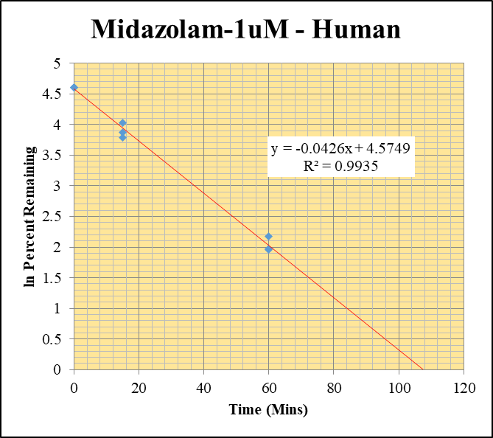
SampleName | CompoundName | Transition | Area | ISTD Area | ISTDResponseRatio | % Remaining | Time (mins) | ln % Remaining | Chart |  |  | Table
Blank_Human___1_____5P1_Inj 2021Feb19_EPA_5 | Midazolam | 326.121 > 291.203 | 1.29 | 137526.891 | 0.00000938 |  |  |  | Midazolam-1uM - Human |  |  | Time (Mins) | % Remaining Replica 1 | % Remaining Replica 2 | % Remaining Replica 3 | Average
Blank_Human___2_____5P1_Inj 2021Feb19_EPA_6 | Midazolam | 326.121 > 291.203 | 0.045 | 97055.352 | 4.637E-07 |  |  |  | Time (Mins) |  |  | 120 | 0.997% | 1.469% | 1.57% | 1.346%
Midazolam_1uM_Human__120_1_____5P1_Inj 2021Feb19_EPA_9 | Midazolam | 326.121 > 291.203 | 4475.83 | 122594 | 0.0365093724 | 0.99715998458 | 120 | -0.0028440559148 | ln Percent Remaining | 120 |  | 60 | 7.14% | 8.79% | 7.05% | 7.66%
Midazolam_1uM_Human__120_2_____5P1_Inj 2021Feb19_EPA_10 | Midazolam | 326.121 > 291.203 | 4535.594 | 113096.383 | 0.0401037936 | 1.4688649723 | 120 | 0.38448997485 |  | 120 |  | 30 | 0.0% | 0.0% | 0.0% | 0.0%
Midazolam_1uM_Human__120_3_____5P1_Inj 2021Feb19_EPA_11 | Midazolam | 326.121 > 291.203 | 6349.419 | 117554.695 | 0.0540124663 | 1.5727999997 | 120 | 0.45285747024 |  | 120 |  | 15 | 44.1% | 56.4% | 47.9% | 49.5%
Midazolam_1uM_Human__60_1_____5P2_Inj 2021Feb19_EPA_12 | Midazolam | 326.121 > 291.203 | 23371.404 | 89444.016 | 0.2612964516 | 7.1374710166 | 60 | 1.9653585142 |  | 60 | 1.9653585142 | 0 | 100% | 100% | 100% | 100%
Midazolam_1uM_Human__60_2_____5P2_Inj 2021Feb19_EPA_13 | Midazolam | 326.121 > 291.203 | 19016.25 | 79278.516 | 0.2398663719 | 8.7863839256 | 60 | 2.173203242 |  | 60 | 2.173203242
Midazolam_1uM_Human__60_3_____5P2_Inj 2021Feb19_EPA_14 | Midazolam | 326.121 > 291.203 | 17288.854 | 71368.141 | 0.2422489049 | 7.0545946933 | 60 | 1.9536791341 |  | 60 | 1.9536791341 | Slope | -0.0426
Midazolam_1uM_Human__30_1_____5P3_Inj 2021Feb19_EPA_15 | Midazolam | 326.121 > 291.203 |  | 198.264 | 0 | -0.00013444584965 | 30 | #NUM! |  | 30 |  | Intercept | 4.57
Midazolam_1uM_Human__30_2_____5P3_Inj 2021Feb19_EPA_16 | Midazolam | 326.121 > 291.203 |  |  | 0 | -0.00018029268028 | 30 | #NUM! |  | 30 |  | R2 | 0.993
Midazolam_1uM_Human__30_3_____5P3_Inj 2021Feb19_EPA_17 | Midazolam | 326.121 > 291.203 | 0.242 | 82.773 | 0 | -0.00014333341309 | 30 | #NUM! |  | 30 |  | T½ (mins) | 16.3
Midazolam_1uM_Human__15_1_____5P4_Inj 2021Feb19_EPA_18 | Midazolam | 326.121 > 291.203 | 139973.328 | 86673.563 | 1.6149483551 | 44.113990068 | 15 | 3.7867769672 |  | 15 | 3.7867769672 | CLint (µl/min/106 cells) | 85.1
Midazolam_1uM_Human__15_2_____5P4_Inj 2021Feb19_EPA_19 | Midazolam | 326.121 > 291.203 | 129288.914 | 84022.5 | 1.5387415752 | 56.365585191 | 15 | 4.0318587806 |  | 15 | 4.0318587806 | Comments
Midazolam_1uM_Human__15_3_____5P4_Inj 2021Feb19_EPA_20 | Midazolam | 326.121 > 291.203 | 158469.688 | 96352.594 | 1.6446852277 | 47.896145084 | 15 | 3.8690350228 |  | 15 | 3.8690350228
Midazolam_1uM_Human__0_1_____5P5_Inj 2021Feb19_EPA_21 | Midazolam | 326.121 > 291.203 | 278113.219 | 75969.641 | 3.6608468243 | 100 | 0 | 4.605170186 |  | 0 | 4.605170186
Midazolam_1uM_Human__0_2_____5P5_Inj 2021Feb19_EPA_22 | Midazolam | 326.121 > 291.203 | 231500.063 | 84800.82 | 2.7299271752 | 100 | 0 | 4.605170186 |  | 0 | 4.605170186
Midazolam_1uM_Human__0_3_____5P5_Inj 2021Feb19_EPA_23 | Midazolam | 326.121 > 291.203 | 249841.453 | 72758.367 | 3.4338518483 | 100 | 0 | 4.605170186 |  | 0 | 4.605170186

